Sheet1
 |  | Prediction of Wine Quality using ML Algorithms

 |  |  |  | Result Analysis

 |  |  |  |  |  | for Red Wine |  |  | By - Vaibhav Kesarwani (1901212)
Did K-Fold Cross Validation (K=5) on 3 Models.
Analysis for each models are given below.

Logistic Regression Analysis:

 | Overall-Result |  |  |  | Class 0 |  |  | Class 1 |  |  | Confusion Matrix
 | Train Accuracy | Test Accuracy | Precision | Recall | Accuracy | Precision | Recall | Accuracy | Precision | Recall

Fold 1 | 88.1157 | 87.5 | 86.025 | 87.5 | 94.982 | 91.065 | 94.982 | 36.585 | 51.724 | 36.585 | [[265 14] [ 26 15]]
Fold 2 | 87.7247 | 88.75 | 86.957 | 88.75 | 97.133 | 90.635 | 97.133 | 31.707 | 61.905 | 31.707 | [[271 8] [ 28 13]]
Fold 3 | 88.5066 | 87.5 | 84.975 | 87.5 | 97.834 | 88.852 | 97.834 | 20.93 | 60 | 20.93 | [[271 6] [ 34 9]]
Fold 4 | 87.9593 | 88.4375 | 87.066 | 88.438 | 97.07 | 90.136 | 97.07 | 38.298 | 69.231 | 38.298 | [[265 8] [ 29 18]]
Fold 5 | 88.8281 | 85.8934 | 82.892 | 85.893 | 96.35 | 88.294 | 96.35 | 22.222 | 50 | 22.222 | [[264 10] [ 35 10]]

Total | 441.1344 | 438.0809 | 427.915 | 438.081 | 483.369 | 448.982 | 483.369 | 149.742 | 292.86 | 149.742
Average | 88.22688 | 87.61618 | 85.583 | 87.6162 | 96.6738 | 89.7964 | 96.6738 | 29.9484 | 58.572 | 29.9484

Single Perceptron Analysis:

 | Overall-Result |  |  |  | Class 0 |  |  | Class 1 |  |  | Confusion Matrix
 | Train Accuracy | Test Accuracy | Precision | Recall | Accuracy | Precision | Recall | Accuracy | Precision | Recall

Fold 1 | 83.5809 | 80.935 | 86.541 | 80.937 | 83.513 | 93.952 | 83.813 | 63.415 | 36.111 | 63.415 | [[233 46] [ 15 26]]
Fold 2 | 78.4206 | 77.1875 | 81.501 | 77.187 | 83.154 | 89.922 | 83.154 | 36.585 | 24.194 | 36.585 | [[232 47] [ 26 15]]
Fold 3 | 82.6426 | 81.875 | 82.228 | 81.875 | 89.17 | 89.818 | 89.17 | 34.884 | 33.333 | 34.884 | [[247 30] [ 28 15]]
Fold 4 | 80.2971 | 78.75 | 80.544 | 78.75 | 85.714 | 88.973 | 85.714 | 38.298 | 31.579 | 38.298 | [[234 39] [ 29 18]]
Fold 5 | 85.07812 | 82.1316 | 80.58 | 82.132 | 91.241 | 88.339 | 91.241 | 26.667 | 33.33 | 26.667 | [[250 24] [ 33 12]]

Total | 410.01932 | 400.8791 | 411.394 | 400.881 | 432.792 | 451.004 | 433.092 | 199.849 | 158.547 | 199.849
Average | 82.003864 | 80.17582 | 82.2788 | 80.1762 | 86.5584 | 90.2008 | 86.6184 | 39.9698 | 31.7094 | 39.9698

MultiLayer Perceptron(MLP) Analysis:

 | Overall-Result |  |  |  | Class 0 |  |  | Class 1 |  |  | Confusion Matrix
 | Train Accuracy | Test Accuracy | Precision | Recall | Accuracy | Precision | Recall | Accuracy | Precision | Recall

Fold 1 | 87.9593 | 87.5 | 86.258 | 87.5 | 94.624 | 91.349 | 94.624 | 39.024 | 51.613 | 39.024 | [[264 15] [ 25 16]]
Fold 2 | 87.9593 | 89.0625 | 87.441 | 89.062 | 97.133 | 90.94 | 97.133 | 34.146 | 63.636 | 34.146 | [[271 8] [ 27 14]]
Fold 3 | 88.7284 | 87.5 | 84.975 | 87.5 | 97.834 | 88.852 | 97.834 | 20.93 | 60 | 20.93 | [[271 6] [ 34 9]]
Fold 4 | 88.1157 | 88.75 | 87.673 | 88.75 | 95.971 | 91.289 | 95.971 | 46.809 | 66.667 | 46.809 | [[262 11] [ 25 22]]
Fold 5 | 88.6718 | 85.5799 | 82.268 | 85.58 | 96.35 | 88 | 96.35 | 20 | 47.368 | 20 | [[264 10] [ 36 9]]

Total | 441.4345 | 438.3924 | 428.615 | 438.392 | 481.912 | 450.43 | 481.912 | 160.909 | 289.284 | 160.909
Average | 88.2869 | 87.67848 | 85.723 | 87.6784 | 96.3824 | 90.086 | 96.3824 | 32.1818 | 57.8568 | 32.1818

Perceptron Analysis
Logistic Regression Analysis
MLP Analysis

Confusion Matrix :

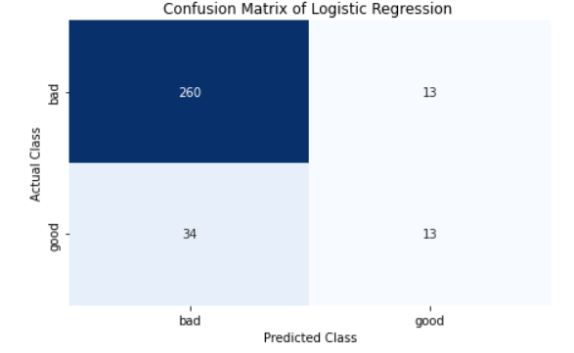
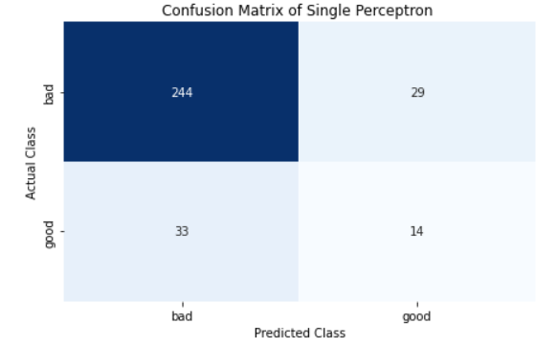
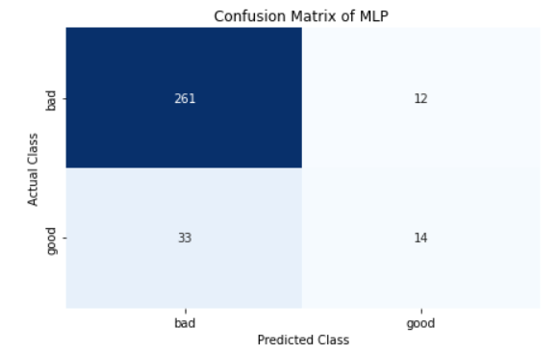

Hyperparameter Tuning : |  |  | Done the hyperparameter tuning using GridSearchCV and found the best hyperparameters.
 |  |  | We get the below output after Hyperparameter tuning.

 |  |  |  |  |  |  |  | Logistic Regression

 |  |  |  |  |  |  |  | Single Perceptron

 |  |  |  |  |  |  |  | MLP

Splitted the Dataset in Train-Validation-Test set (50%-30%-20%)
Checked the accuracy on this Test set

 |  | Accuracy from train-valid-test split

Logistic Regression |  | 85.9375
Single Perceptron |  | 80.625
MultiLayer Perceptron |  | 87.8125

 | Among all the 3 Models we have used that is :
 | 1) Logistic Regression
 | 2) Single Perceptron
 | 3) MultiLayer Perceptron

 | Best Accuracy is given by Multilayer Perceptron.
 | Accuracy -> 87.8125

